Data
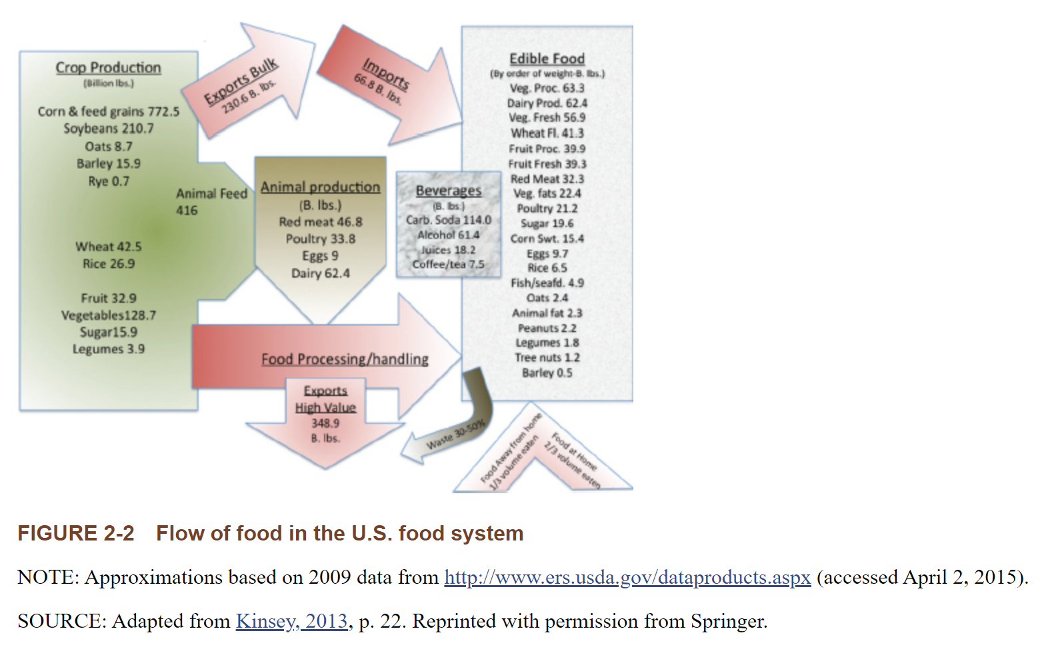
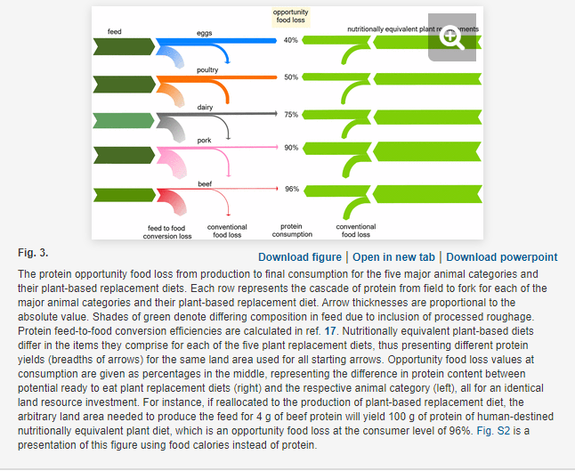
Product | Opportunity food loss (%) | Calculated ratio of plant-based protein output to animal protein output per land area | Billion Pounds of animal products produced | Weighted average ratio
Eggs | 40 | 1.7 | 9 | 7.5940360087
Poultry | 50 | 2 | 34
Dairy | 75 | 4 | 62
Pork | 90 | 10 | 23
Beef | 96 | 25 | 24

U.S. beef production (2019) | 27.1546
U.S. pork production (2019) | 27.6375
Total red meat | 54.7921 |  |  | *red meat allocated according to recent historical data

